PRODUCT FLOW WITHIN WAREHOUSE
U-SHAPE FLOW WITHIN PROCESS DEPARTMENTS

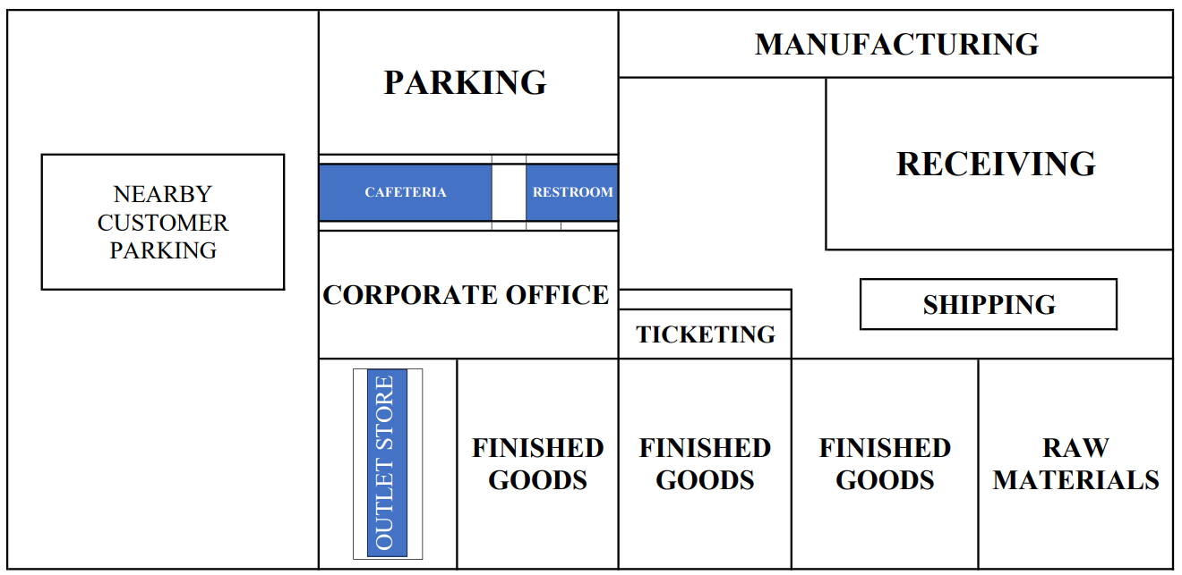
CORPORATE OFFICE | MANUFACTURING
 |  | RECEIVING

 |  | SHIPPING
OUTLET STORE | TICKETING

MANUFACTURING
MANUFACTURING

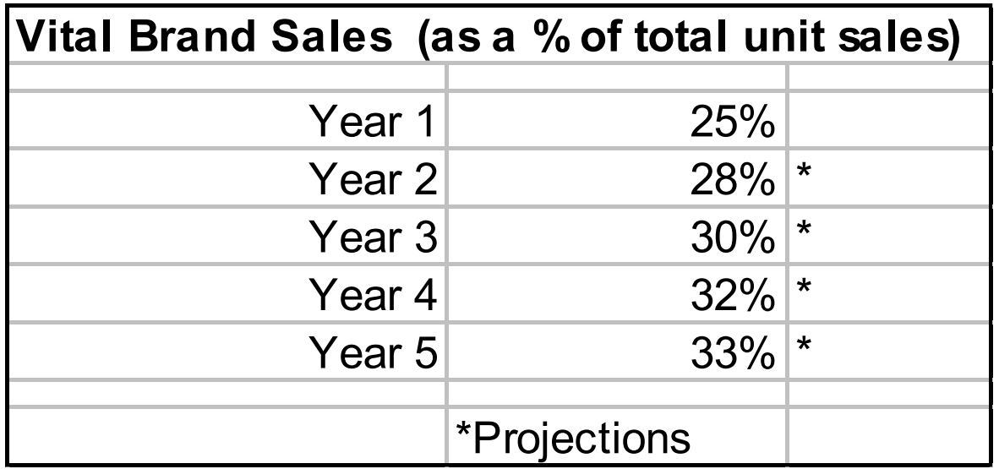
 | PROJECTED SALES ( DIRECTLY TO CUSTOMER ) FOR 5 YEARS | YEAR 1: | PIECES SOLD / DAY = | 37012
 |  | YEAR 2: | PIECES SOLD /DAY = | 44414.4
 |  | YEAR 3: | PIECES SOLD /DAY = | 53297.28
 |  | YEAR 4: | PIECES SOLD /DAY = | 63956.736
 |  | YEAR 5: | PIECES SOLD /DAY = | 76748.0832

 | PROJECTED SALES ( STORE SALES ) FOR 5 YEARS | YEAR 1: | PIECES SOLD / DAY = | 102100
 |  | YEAR 2: | PIECES SOLD /DAY = | 112310
 |  | YEAR 3: | PIECES SOLD /DAY = | 123541
 |  | YEAR 4: | PIECES SOLD /DAY = | 135895.1
 |  | YEAR 5: | PIECES SOLD /DAY = | 149484.61

 |  | TOTAL UNIT SOLD PER DAY = |  | 226232.6932

 |  | TOTAL UNITS THAT NEEDS TO BE MANUFACTURED = 33% OF TOTAL UNITS SOLD |  | 74656.788756

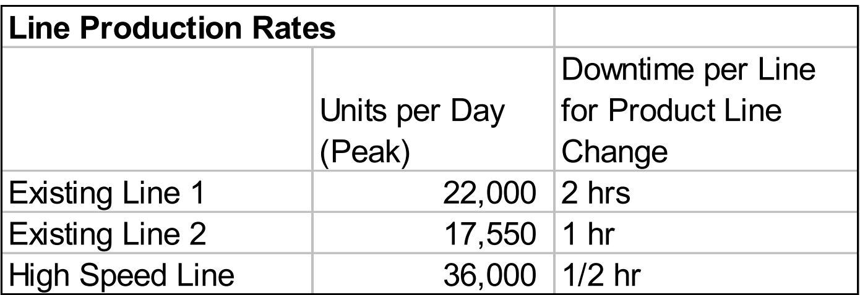
 |  | CURRENTLY THEY HAVE TWO LINES WHICH CAN MANUFACTURE = |  | 39550 | UNITS PER DAY

 |  | ADDING ONE HIGH SPEED WILL INCREASE THE CAPACITY BY: |  | 75550 | UNITS PER DAY

 |  | CONCLUSION: WE NEED TO ADD ONE MORE LINE TO MEET THE PER DAY DEMAND OF FACILITY FOR THE 5TH YEAR.

 |  | COST OF ADDING NEW HIGH SPEED LINE: |  | $1000,000.00

 |  | SPACE REQUIREMENT: |  | 3000ft2

PRICE TICKETS
PRICE TICKETING
 |  |  |  | DIRECT CONSUMER SALES | STORE RETAIL SALES | TOTAL | VITAL BRAND UNITS | NO OF UNITS THAT NEEDS TO BE TICKETED (DCS EXCLUDED)
CURRENT PLAN: |  |  | YEAR 1 | 37012 | 102100 | 139112 | 34778 | 67322
 |  |  | YEAR 2 | 44414.4 | 112310 | 156724.4 | 43882.832 | 68427.168
TOTAL NUMBER OF BOTTLES TO BE RETICKED: | 16965144 |  | YEAR 3 | 53297.28 | 123541 | 176838.28 | 53051.484 | 70489.516
 |  |  | YEAR 4 | 63956.736 | 135895.1 | 199851.836 | 63952.58752 | 71942.51248
 |  |  | YEAR 5 | 76748.0832 | 149484.61 | 226232.6932 | 74656.788756 | 74827.821244
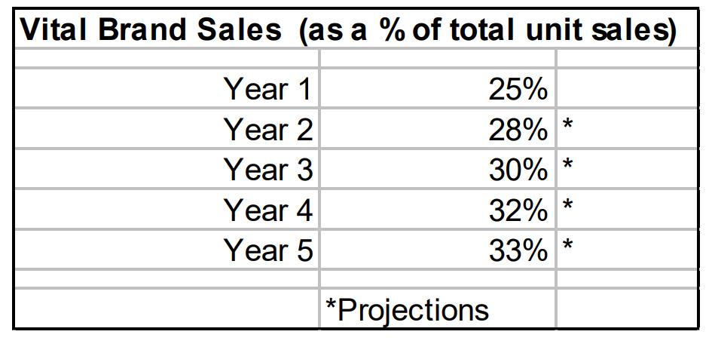
EQUIPMENT - SET UP COST | $350,000
SOFTWARE INTEGRATION (WMS) | $200,000 |  | TICKETING PER MONTH REQUIREMENT | TICKETING YEARLY REQUIREMENT | COST OF TICKETING PER UNIT | UNITS THAT NEEDS TO BE RE - TICKETING
 |  |  | 1413762 | 16965144 | $0.058944 | 466541
OPERATIONAL COST |  |  | 1436970.528 | 17243646.336 | $0.05799237 | 474200
NUMBER OF EMPLOYEE REQUIRED: | 2 |  | 1480279.836 | 17763358.032 | $0.05629566 | 488492
WAGE (PER HR): | $20/Hr |  | 1510792.7621 | 18129513.145 | $0.05515868 | 498562
OPERATIONAL HOURS: | 10 |  | 1571384.2461 | 18856610.953 | $0.05303180 | 518557
TOTAL COST OF EMPLOYEE PER DAY | $500.00
TOTAL COST OF EMPLOYEE PER YEAR | $125,000.00
COST OF RETICKETING: 466541 * (1000000/16965144) = $27499.97829
SPACE REQUIREMENT
SPACE | 4000ft2
COST | $50 /ft2
TOTAL COST:- = 4000*50 = $20,000

TOTAL COST OF TICKETING: |  | $670,000.00

ASSUMPTION: | COST OF SPACE IS $50 PER SQAURE FEET.

CONCLUSION: SINCE THE TICKETING AND RE-TICKETING COST IS LESS THAN $1M, WE WILL SHIFT THE TICKETING PROCESS IN THE WAREHJOUSE.

REDUCES THE COST BY: | 33 | %

ASSUMPTION: | THE COSTS ARE CALCULATED WITH VALUES OBTAINED FROM THE INTERNET AND TEXTBOOKS.

SUGGESTED LAYOUT
 | PARKING |  |  | MANUFACTURING

 |  |  |  |  |  | RECEIVING

NEARBY CUSTOMER PARKING
 | CAFETERIA |  | RESTROOM

 | CORPORATE OFFICE

 |  |  |  |  |  |  | SHIPPING

 |  |  |  | TICKETING

 |  | FINISHED GOODS |  | FINISHED GOODS | FINISHED GOODS |  |  | RAW MATERIALS
OUTLET STORE

